Wireframe Screen prints
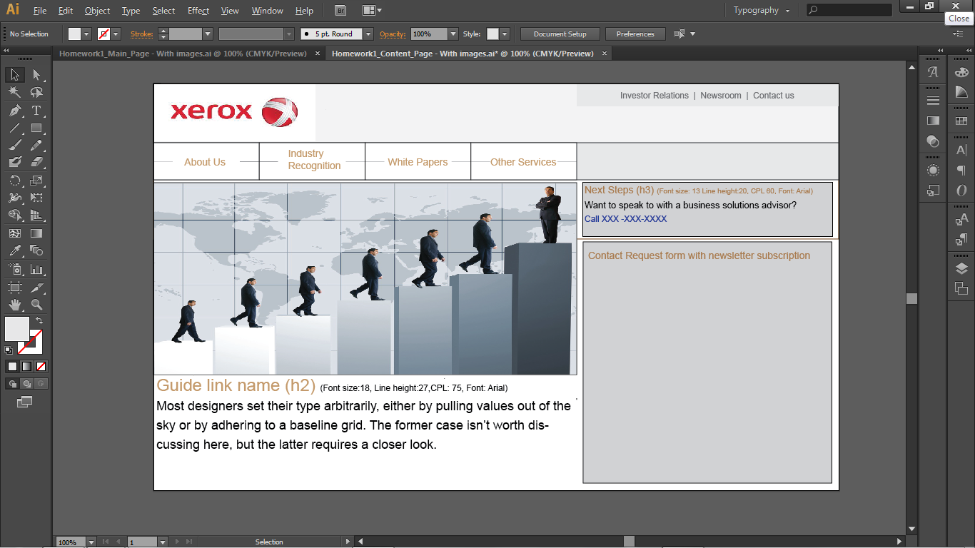
Mockup dim: 960 * 570 px
Main page

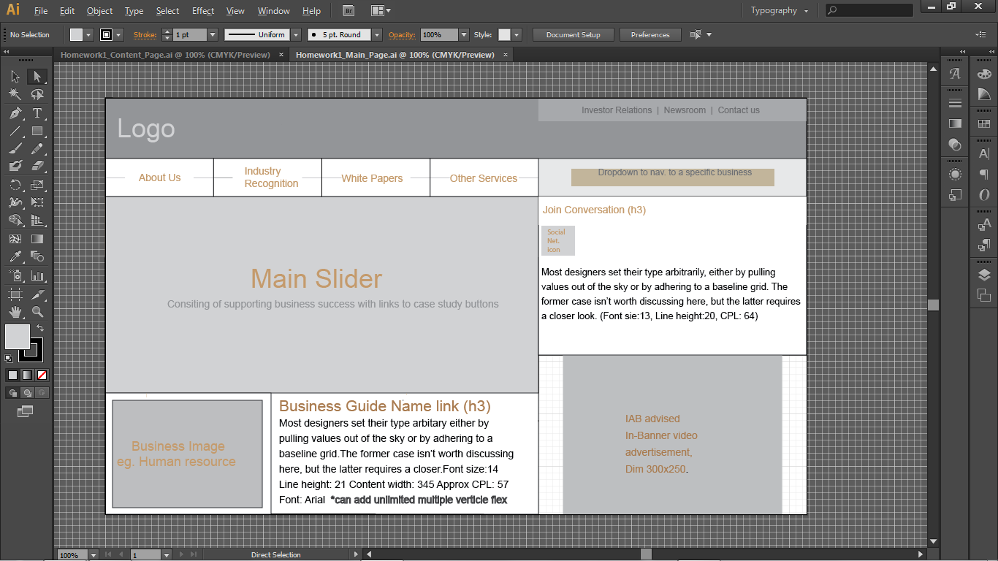

Main page with image - Mockup
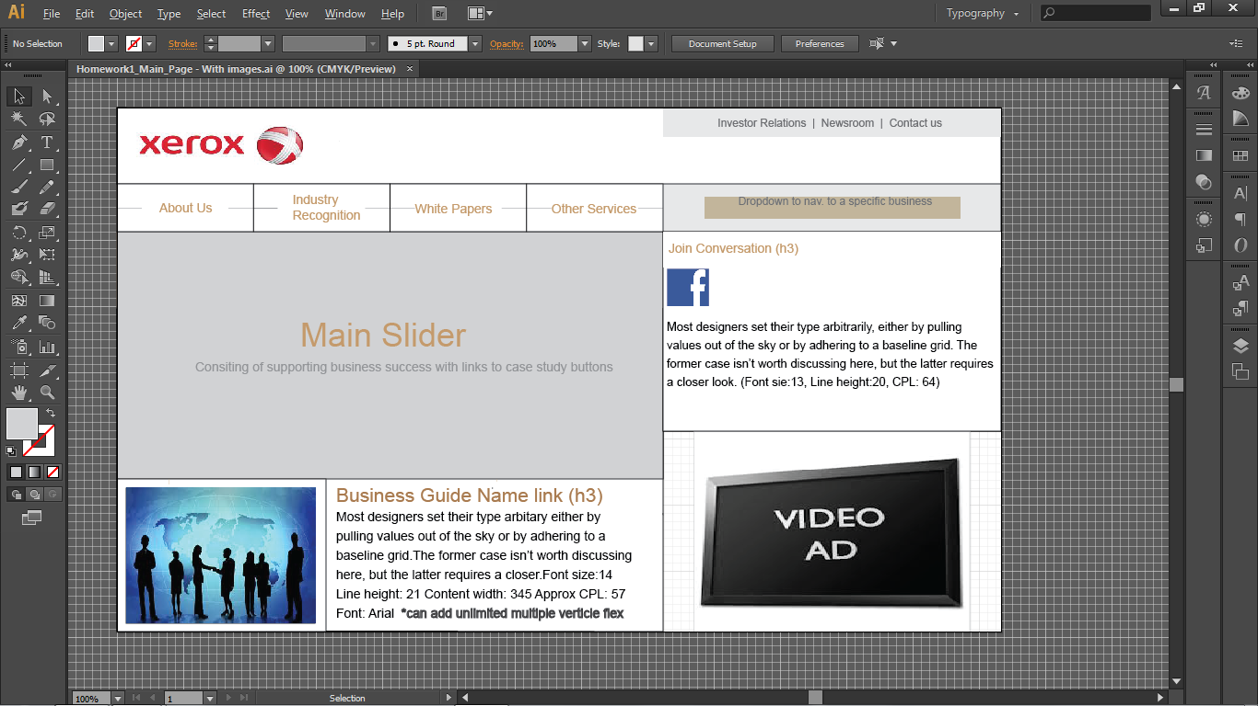

Content page

Content page
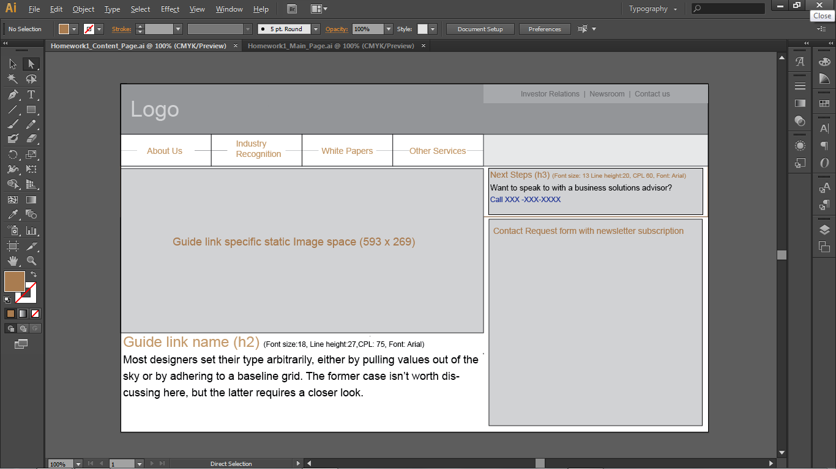

Content page with image - Mockup

